Hoja1
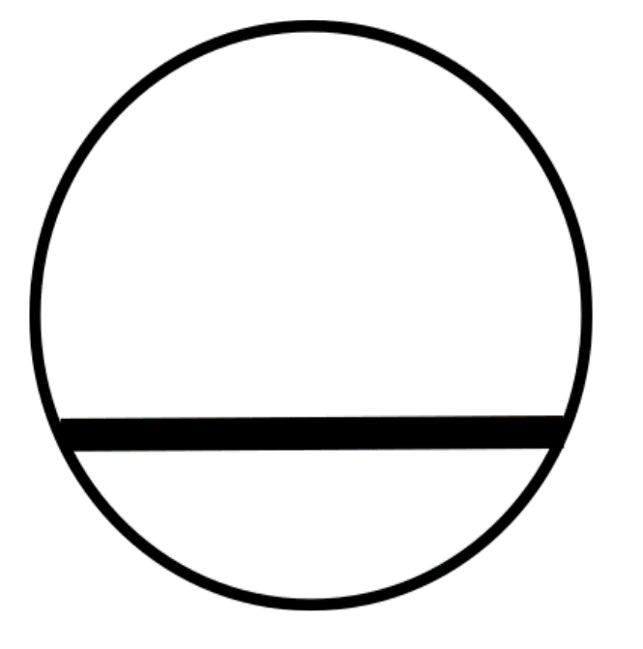
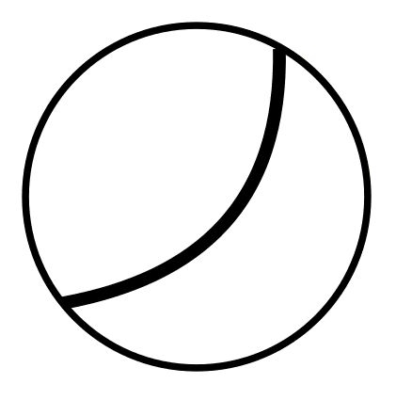
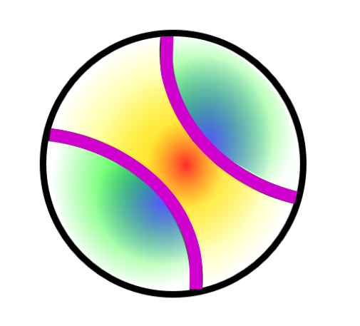
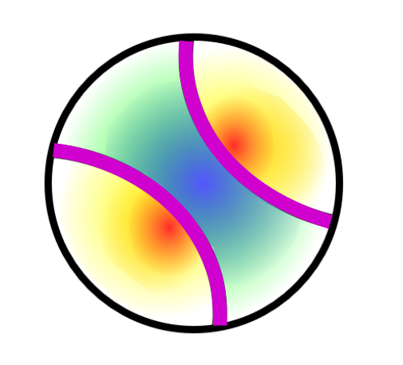
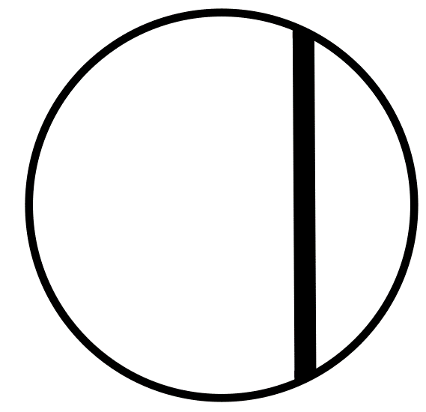
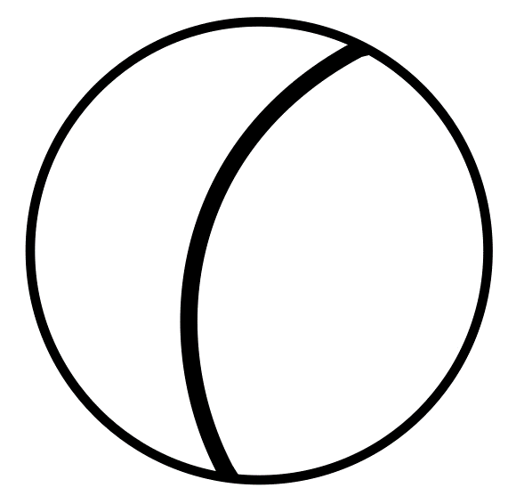

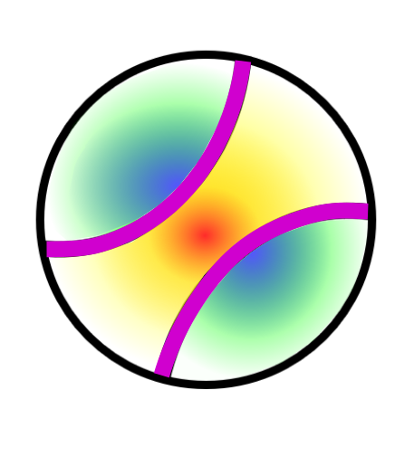
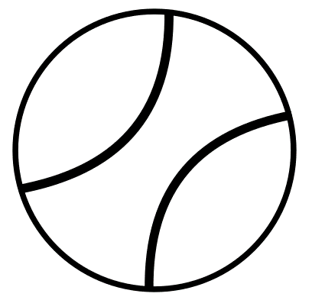
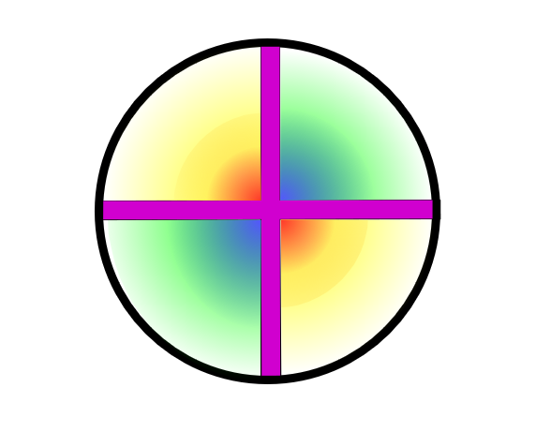
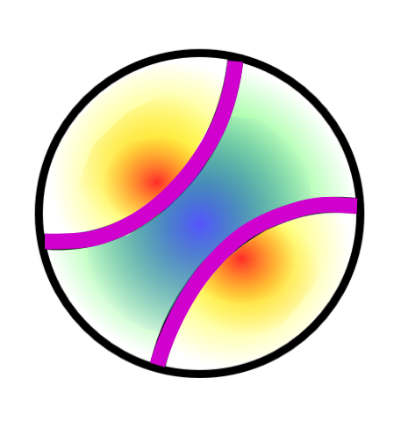
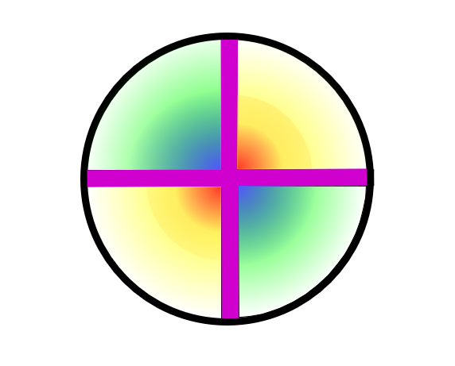
Description Transparent Minerals Characteristics | Relief | Colour | Pleochroism | Number of cleavage directions | Angle of cleavage | Interference color (order) | Extinction | Twinning | Interference figure | Optical sign
 | Low: The contour line of the mineral can not be seen | Colourless: Includes all shades of gray and white (by the white light of the microscope), which may appear cloudy by inclusions and alteration | Without: The color / tone of the mineral does not change when the orientation of the crystal changes with respect to the polarized incident light | 0 : Absence of regular discontinuities in any section of the mineral, parallel to each other and related to the crystalline structure of the mineral | Right: (≈ 90°) | Isotropic: Absence of colors, it looks black when interposed the analyzer | Total: Complete extinction (light does not pass at any position of the crystal with respect to incident light), is observed in basal sections or in any section of isotropic minerals | Without: Absence of twinnings | Uniaxial: PHOTOS | Positive: PHOTOS
 | Medium: The contour line of the mineral is poorly marked | Yellow: Yellowish tones | Soft: The color / tone of the crystal varies slightly as its orientation changes with respect to the polarized incident light | 1 : Presence of only 1 direction of discontinuities parallel to each other and related to crystallographic directions of the mineral, but there may be sections without any direction of exfoliation | Acute: (≠ 90°) | 1st : Greyish, white or yellow colors of 1st order are observed | Right: No light passes when the longitudinal sections are oriented parallel to the polarization directions | Simple: Formed by two crystals | Biaxial: PHOTOS | Negative: PHOTOS
 | High: The contour line of the mineral can easily be seen | Pink: Pinkish tones | Strong: The color / tone varies very markedly when the orientation of the crystal changes with respect to the polarized incident light | 2 : Presence of up to 2 directions of discontinuities parallel to each other and related to crystallographic directions of the mineral (1 direction in elongated sections, 2 directions in other sections) |  | 2nd : Presence of interference colors up to 2nd order (strong colors) | Oblique: No light passes when the longitudinal sections of the minerals are at a certain angle of the polarization directions | Polysynthetic: Three or more crystalline planes are repeated alternately, according to the same law of twinning and with parallel twinning planes
 |  | Blue: Lilac and bluish tones |  | 3 or more: Presence of up to 3 or more directions of discontinuities parallel to each other and related to crystallographic directions of the mineral (two or more exfoliation directions can be seen in all sections) |  | 3rd : Presence of interference colors up to 3rd order (light tones) | Undulose: Anomalous extinction in which the crystal does not extinguish completely and homogeneously, by changing the orientation of the crystal with respect to the incident light the crystal gradually extinguishes along the crystal, appears with the deformation of the crystal | Crossed: Polysintètica Macla in dues direccions i difuminat
 |  | Green: Greenish tones |  |  |  | 4th : Presence of interference colors up to 4th order (pastel colors) |  | Cyclic: When all the individuals of the twin are at a point
 |  | Brown: Brown, orange and reddish tones |  |  |  | Anomalous : Blues or purples that do not correspond to any order
 |  |  |  |  |  | Masked : The color of the mineral itself hides the interference color

